Control
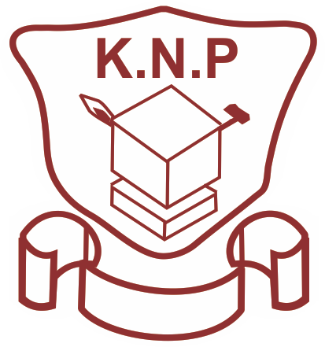

KITALE NATIONAL POLYTECHNIC

EVALUATION REPORT ON THE EFFECTIVENESS OF ACTIONS TAKEN TO ADDRESS RISK REGISTER AND OPPORTUNITY- INDUSTRIAL LIAISON OFFICE
Prepared: Industrial Liaison Officer Signature………………………………......

Date: 1st October 2021

